Auto Insurance Entity List
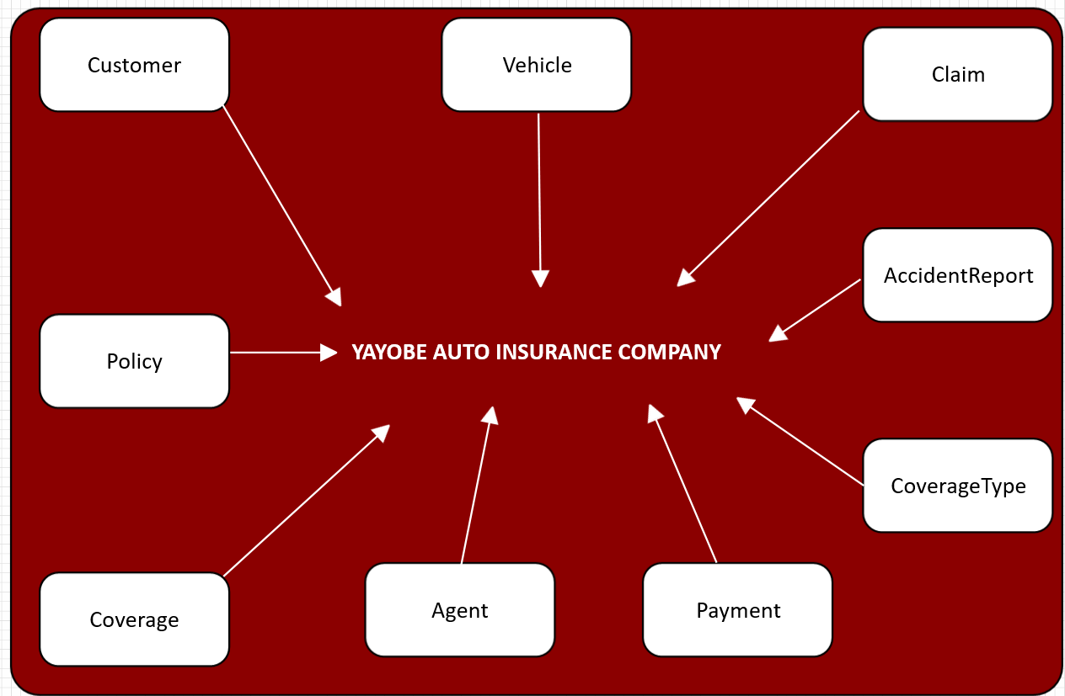
YAYOBE Auto Insurance Entity List

